Annual Additions
...
Model Energy Source
Other
Biomass
Solar Thermal
Natural Gas Peaker
Solar THermal
Other
...
Model Energy Source
 |  | Cumulative Capacity | Annual Addition
 | 1990 | 112.5 | 112.5
 | 1991 | 189.4 | 76.9
112.5 | 112.5
189.4 | 76.9
195.9 | 6.5
200.1 | 4.2
324.5 | 124.4
324.5 | 0
324.5 | 0
344.3 | 19.8
521.7 | 177.4
1198 | 676.3
1254.1 | 56.1
2770.1 | 1516
3431.1 | 661
5050.4 | 1619.3
7233.7 | 2183.3
9882.1 | 2648.4
15200.9 | 5318.8
23698.3 | 8497.4
33619.8 | 9921.5
38303.3 | 4683.5
45186.1 | 6882.8
58455.5 | 13269.4
59314.6 | 859.1
64258.5 | 4943.9
72473.2 | 8214.7
 | 1992 | 195.9 | 6.5
 | 1993 | 200.1 | 4.2
 | 1994 | 324.5 | 124.4
 | 1995 | 324.5 | 0
 | 1996 | 324.5 | 0
 | 1997 | 344.3 | 19.8
 | 1998 | 521.7 | 177.4
 | 1999 | 1198 | 676.3
 | 2000 | 1254.1 | 56.1
 | 2001 | 2770.1 | 1516
 | 2002 | 3431.1 | 661
 | 2003 | 5050.4 | 1619.3
 | 2005 | 7233.7 | 2183.3
 | 2006 | 9882.1 | 2648.4
 | 2007 | 15200.9 | 5318.8
 | 2008 | 23698.3 | 8497.4
 | 2009 | 33619.8 | 9921.5
 | 2010 | 38303.3 | 4683.5
 | 2011 | 45186.1 | 6882.8 |  | x2 | -0.00000428
 | 2012 | 58455.5 | 13269.4 |  | x | 0.4113
 | 2013 | 59314.6 | 859.1 |  | c | -121.48
 | 2014 | 64258.5 | 4943.9
 | 2015 | 72473.2 | 8214.7 |  | m | 0.1149
 |  |  |  |  | b | 858.29
...
Model Energy Source
 | Note: Outliers removed to better predict maximum buildable curve
...
Model Energy Source
 |  | Cumulative Capacity | Annual Addition |  | m | 0.254
 | 1990 | 112.5 | 112.5 |  | b | 257.54
 | 1991 | 189.4 | 76.9
112.5 | 112.5
189.4 | 76.9
195.9 | 6.5
200.1 | 4.2
324.5 | 124.4
324.5 | 0
324.5 | 0
344.3 | 19.8
521.7 | 177.4
1198 | 676.3
1254.1 | 56.1
2770.1 | 1516
3431.1 | 661
5050.4 | 1619.3
7233.7 | 2183.3
9882.1 | 2648.4
15200.9 | 5318.8
23698.3 | 8497.4
33619.8 | 9921.5
58455.5 | 13269.4
 | 1992 | 195.9 | 6.5
 | 1993 | 200.1 | 4.2
 | 1994 | 324.5 | 124.4
 | 1995 | 324.5 | 0
 | 1996 | 324.5 | 0
 | 1997 | 344.3 | 19.8
 | 1998 | 521.7 | 177.4
 | 1999 | 1198 | 676.3
 | 2000 | 1254.1 | 56.1
 | 2001 | 2770.1 | 1516
 | 2002 | 3431.1 | 661
 | 2003 | 5050.4 | 1619.3
 | 2005 | 7233.7 | 2183.3
 | 2006 | 9882.1 | 2648.4
 | 2007 | 15200.9 | 5318.8
 | 2008 | 23698.3 | 8497.4
 | 2009 | 33619.8 | 9921.5
 | 2012 | 58455.5 | 13269.4
 |  | 77726 | 20000
 |  | 107254 | 27500
 |  | -1014 | 0 | Note: Maximum buildable taken to be max historical additions in a year times the multiplier specified in "About"
...

Wind
Data from NREL RE Futures 90% RE-ETI Scenario

Installed Capacity (MW)
 | 2010 | 2012 | 2014 | 2016 | 2018 | 2020 | 2022 | 2024 | 2026 | 2028 | 2030 | 2032 | 2034 | 2036 | 2038 | 2040
Onshore Wind | 39209 | 77931 | 118765 | 150995 | 180996 | 215901 | 235730 | 268827 | 286193 | 296965 | 305229 | 309059 | 313765 | 320693 | 325239 | 330717
 | Onshore Wind
2010 | 39209
2012 | 77931
2014 | 118765
2016 | 150995
2018 | 180996
2020 | 215901
2022 | 235730
2024 | 268827
2026 | 286193
2028 | 296965
2030 | 305229
2032 | 309059
2034 | 313765
2036 | 320693
2038 | 325239
2040 | 330717
2042 | 335551
2044 | 338161
2046 | 342533
2048 | 348010
2050 | 352547

Installed Capacity, Curve Fit (MW)
 | 2010 | 2011 | 2012 | 2013 | 2014 | 2015 | 2016 | 2017 | 2018 | 2019 | 2020 | 2021 | 2022 | 2023 | 2024 | 2025
Onshore Wind | 31998 | 56219 | 79044 | 100517 | 120684 | 139588 | 157275 | 173788 | 189173 | 203473 | 216733 | 228998 | 240313 | 250720 | 260266 | 268995
Using many decimals in the Onshore Wind formula is important, particularly for the coefficients on the higher-order terms, because even very slight differences in these coefficients can lead to dramatically different results.

Installed Capacity, Curve Fit (MW)
 | 2010 | 2011 | 2012 | 2013 | 2014 | 2015 | 2016 | 2017 | 2018 | 2019 | 2020 | 2021 | 2022 | 2023 | 2024 | 2025
Annual Additions | 0 | 24221 | 22825 | 21474 | 20167 | 18904 | 17687 | 16513 | 15385 | 14300 | 13260 | 12265 | 11314 | 10408 | 9546 | 8729
...

Solar PV
...
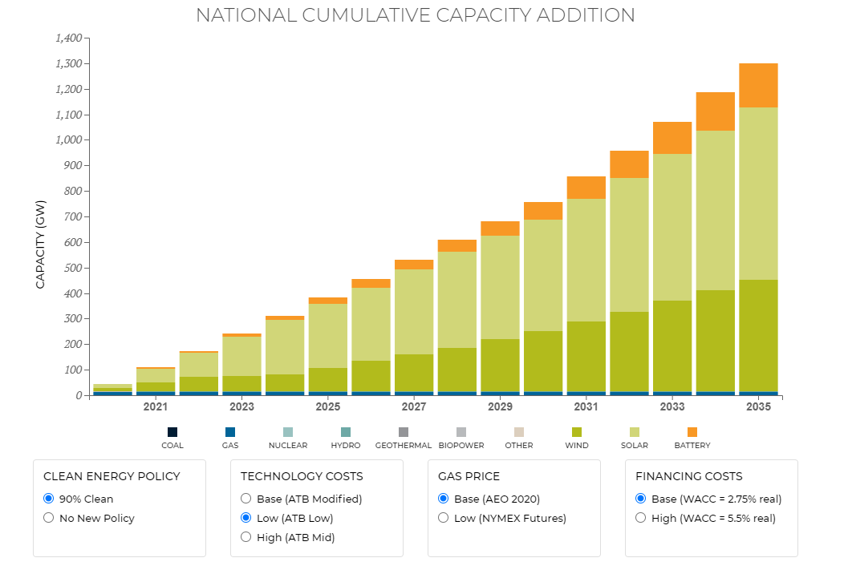
 | Distributed PV (GW) | Utility PV (GW) | Total PV (GW) | Next 5-Year Period Added Utility PV (GW) | Annual Incremental Utility PV over Next 5-Year Period (GW)
 | 1 | 0 | 1 | 5 | 1
 | 4 | 5 | 9 | 26 | 5.2
 | 19 | 31 | 50 | 75 | 15
 | 63 | 106 | 169

 | Total solar (pixels) | Total solar (GW) | Annual Additions
 | 4 | 12.5
 | 16 | 50 | 37.5
 | 30 | 93.75 | 43.75
 | 49 | 153.125 | 59.375
 | 67 | 209.375 | 56.25
 | 80 | 250 | 40.625
 | 91 | 284.375 | 34.375
 | 106 | 331.25 | 46.875
 | 121 | 378.125 | 46.875
2029 | 131 | 409.375 | 31.25
2030 | 139 | 434.375 | 25
2031 | 154 | 481.25 | 46.875
2032 | 167 | 521.875 | 40.625
2033 | 185 | 578.125 | 56.25
2034 | 199 | 621.875 | 43.75
2035 | 215 | 671.875 | 50

https://www.eia.gov/electricity/annual/archive/03482002.pdf

 |  |  |  | 84.375

